Instructions
 | CACFP Meal Requirement Calculator

 | Adult Care Component

This workbook includes worksheets, under separate tabs, for breakfast, lunch/supper and snacks, to use to determine the total required amount of each food component to prepare and serve based on the planned number of adults. Each worksheet contains the required food components and minimum CACFP meal pattern serving sizes for the meal type, as specified within the CACFP Meal Pattern for the Adult Care component. How to use this workbook: 1. Select a meal service by clicking on the tab for Breakfast, Lunch & Supper or Snack. 2. At the top of the page where it says "START HERE," enter the projected number of participants that will eat in each category of adults (Eligible Adults and Ineligible Adults/Others).

Example:
Breakfast
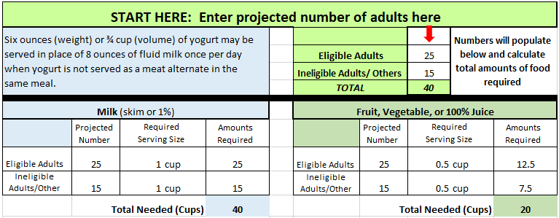

2. This worksheet automatically calculates the total required amount for each component. Record this amount on the production record in the 'Amounts Required' column.

3. Use the Food Buying Guide Calculator (https://foodbuyingguide.fns.usda.gov/) to determine how much of each food item is needed to buy and prepare to meet the minimum required amounts.

Important Serving Size Information
Grains
The CACFP meal pattern requires that adults be served a minimum 2 ounce equivalents (oz. eq.) at breakfast, lunch, and supper. Snacks require 1 oz. eq. Minimum amounts to serve differ among grain items and is based on the weight of the item. The green Grains Chart tab of this workbook lists the required amount of common grain items that must be served to each participant. Multiply this serving amount by the number of participants to determine the total amount of the food item that must be served.
Fruit/Vegetable Component at Lunch/Supper At lunch and supper, one serving of fruit and one serving of vegetables is required. However, a second vegetable may be served in place of fruit. When a vegetable replaces the fruit component, use the fruit serving size when calculating amounts needed for the second vegetable.
Meat/Meat Alternate Component: Meats, Poultry, and Fish
The serving size requirements calculated within this Meal Requirements Calculator for meat, poultry, and fish are in the cooked or edible amount, not the purchased or raw amount. Use the Food Buying Guide Calculator (https://foodbuyingguide.fns.usda.gov/) to determine the total amount of the meat in its raw form that must be purchased and prepared for serving the equivalent of 2 ounces of meat/meat alternate per participant. Use the meal pattern contribution information on Child Nutrition (CN) labels or product formulation statements (PFS) for store-bought combination items to determine the amount that must be purchased, prepared, and served to each participant.

CACFP Meal Pattern
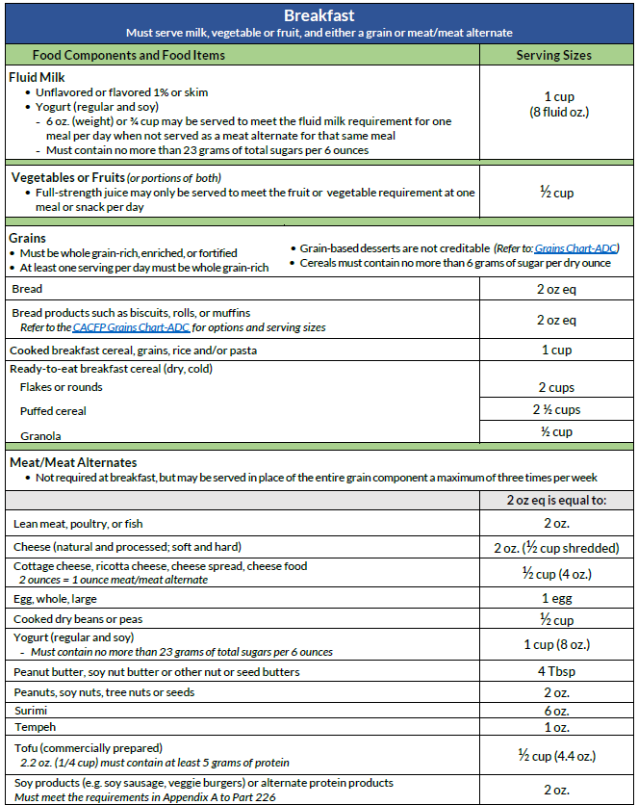
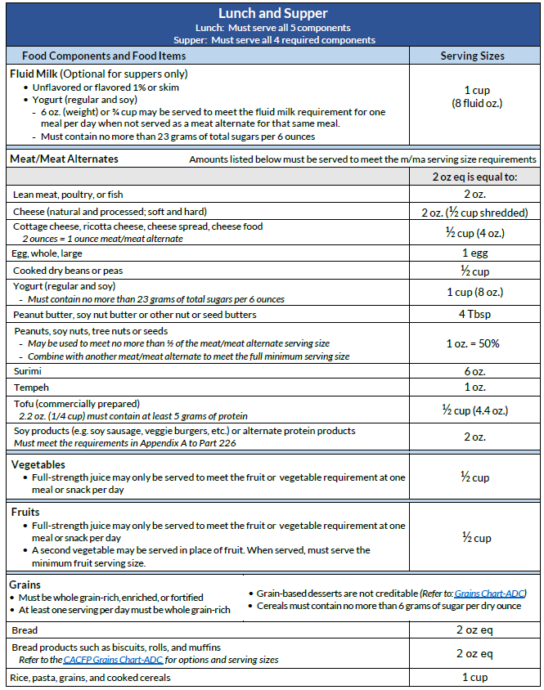
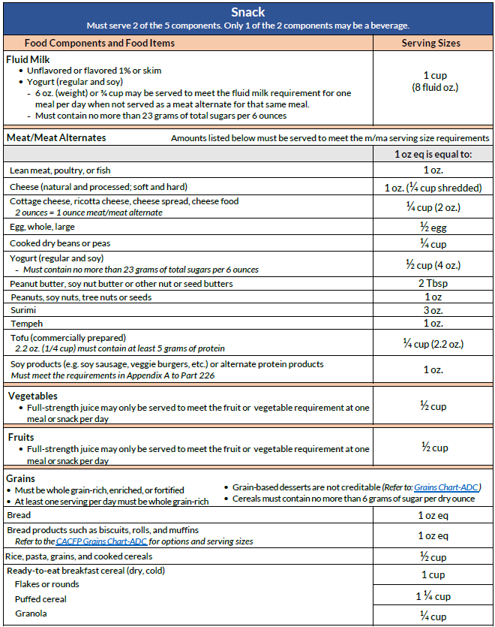

Grains Calculator
GRAINS CALCULATOR
This chart provides information on the amount of grains to serve each participant (green column) and total quantity to purchase and serve at the meal based on the number of participants at the meal (blue column).
START HERE: Enter the number of Eligible and Ineligible Adults/Other in the yellow box below
Next, look in these columns
 | Eligible Adults
 | Ineligible Adults/Other
 |  | Total | 0

 | Breakfast, Lunch, Supper |  |  | Snacks
Food Item | Serving per Participant | Total Quantity to Purchase and Serve* |  | Serving per Participant | Total Quantity to Purchase and Serve*
Bagel (~ 4” diameter) | 1 bagel or 56 g | 0 | bagels | 1/2 bagel or 28 g | 0 | bagels
Bagel, Mini | 2 bagels or 56 g | 0 | bagels | 1 bagel or 28 g | 0 | bagels
Biscuit (~ 2 ½” diameter) | 2 biscuits or 56 g | 0 | biscuits | 1 biscuit or 28 g | 0 | biscuits
Bread | 2 slices or 56 g | 0 | slices | 1 slice or 28 g | 0 | slices
Bread Stick, Hard (~ 7 ¾”) | 6 sticks or 44 g | 0 | sticks | 3 sticks or 22 g | 0 | sticks
Buns, Hamburger, Hot Dog | 2 buns or 56 g | 0 | buns | 1 bun or 28 g | 0 | buns
Cereal, Ready-to-eat (dry, cold) Flakes or Rounds | 2 cups or 56 g | 0 | cups | 1 cup or 28 g | 0 | cups
Cereal, Ready-to-eat (dry, cold) Puffed cereal | 2 ½ cups or 56 g | 0 | cups | 1 1/4 cup or 28 g | 0 | cups
Cereal, Ready-to-eat (dry, cold) Granola | 1/2 cup or 56 g | 0 | cups | 1/4 cup or 28 g | 0 | cups
Cornbread (2” x 2 ½”) | 2 pieces or 68 g | 0 | pieces | 1 piece or 34 g | 0 | pieces
Corn Muffin | 2 muffins or 68 g | 0 | muffins | 1 muffin or 34 g | 0 | muffins
Cracker, Animal (~1 ½” x 1”) | 30 crackers (~1 cup) or 56 g | 0 | cups | 15 crackers (~1/2 cup) or 28 g | 0 | cups
Cracker, Bear-shaped, Sweet (~1” x ½”) | 48 crackers (1 cup) or 56 g | 0 | cups | 24 crackers (1/2 cup) or 28 g | 0 | cups
Cracker, Cheese, Square, Savory (~1” x 1”) | 40 crackers (~2/3 cup) or 44 g | 0 | cups | 20 crackers (1/3 cup) or 22 g | 0 | cups
Cracker, Fish-shaped or Similar, Savory (~¾ ” x ½”) | 81 crackers (~1 cup) or 44 g | 0 | cups | 41 crackers (1/2 cup) or 22 g | 0 | cups
Cracker, Graham (~2 ½” x 5” full sheet) | 4 full sheets or 56 g | 0 | sheets | 2 full sheets or 28 grams | 0 | full sheets
Cracker, Oyster | 108 crackers (1 cup) or 44 g | 0 | cups | 54 crackers (1/2 cup) or 22 g | 0 | crackers
Cracker, Round, Savory (1 ¾” across) | 14 crackers or 44 g | 0 | crackers | 7 crackers or 22 g | 0 | crackers
Cracker, Saltine (2”x2”) | 16 crackers or 44 g | 0 | crackers | 8 crackers or 22 g | 0 | crackers
Cracker, Thin Wheat Square, Savory (1 ¼”x1 ¼”) | 23 crackers or 44 g | 0 | crackers | 12 crackers or 22 g | 0 | crackers
Cracker, Woven Whole Wheat (1½” x 1½”) | 10 crackers or 44 g | 0 | crackers | 5 crackers or 22 g | 0 | crackers
Cracker, Zwieback | 6 crackers or 44 g | 0 | crackers | 3 crackers or 22 g | 0 | crackers
Croissant | 2 croissants or 68 g | 0 | croissants | 1 croissant or 34 g | 0 | croissants
English Muffin (top and bottom) | 1 muffin or 56 g | 0 | muffins | 1/2 muffin or 28 g | 0 | muffins
French Toast | 2 slices or 138 g | 0 | slices | 1 slice or 69 g | 0 | slices
French Toast Sticks | 8 sticks or 138 g | 0 | sticksh | 4 sticks or 69 g | 0 | sticks
Grains (barley, bulgur, quinoa, etc.) | 1 cup cooked or 56 g dry | 0 | cups | 1/2 cup cooked or 28 g dry | 0 | cups
Grits | 1 cup cooked or 56 g dry | 0 | cups | 1/2 cup cooked or 28 g dry | 0 | cups
Melba Toast (3 ½”x 1 ½”) | 8 pieces or 44 g | 0 | pieces | 5 pieces or 22 g | 0 | pieces
Muffin (all but corn muffins) | 2 muffins or 110 g | 0 | muffins | 1 muffin or 55 g | 0 | muffins
Oatmeal | 1 cup cooked or 56 g dry | 0 | cups | 1/2 cup cooked or 28 g dry | 0 | cups
Pancake (~ 4” diameter) | 2 pancakes or 68 g | 0 | pancakes | 1 pancake or 34 g | 0 | pancakes
Pasta (all shapes~macaroni, spaghetti, etc.) | 1 cup cooked or 56 g dry | 0 | cups | 1/2 cup cooked or 28 g dry | 0 | cups
Pita Bread/Round (6 ½ round) | 1 pita or 56 g | 0 | pitas | 1/2 pita or 28 g | 0 | pitas
Popcorn | 6 cups or 56 g | 0 | cups | 3 cups or 28 g | 0 | cups
Pretzel, Hard Mini-Twist (1 ¼”x1 ½”) | 27 pretzels (1 cup) or 44 g | 0 | cups | 14 pretzels (2/3 cup) or 22 g | 0 | cups
Pretzel, Hard, Thin-Stick (2 ½" long) | 62 sticks or 44 g | 0 | sticks | 31 sticks or 22 g | 0 | sticks
Pretzel Chips | 28 chips or 44 g | 0 | chips | 14 chips or 22 g | 0 | chips
Pretzel, Soft | 1 pretzel or 56 g | 0 | pretzels | 1/2 pretzel or 28 g | 0 | pretzel
Quick Bread (banana, pumpkin, etc.) | 2 slices or 110 g | 0 | slices | 1 slice or 55 g | 0 | slices
Rice (all types) | 1 cup cooked or 56 g dry | 0 | cups | 1/2 cup cooked or 28 g dry | 0 | cups
Rice Cake | 5 1/2 cakes or 44 g | 0 | cakes | 3 cakes or 22 g | 0 | rice cakes
Rice Cake, Mini (1 ¾” across) | 25 cakes or 44 g | 0 | cakes | 13 cakes or 22 g | 0 | rice cakes
Roll (Dinner, White, WW, Potato) | 2 rolls or 56 g | 0 | rolls | 1 roll or 28 g | 0 | rolls
Taco or Tostado Shell, Hard | 4 shells or 56 g | 0 | shells | 2 shells or 28 g | 0 | shells
Tortilla, Soft, Corn (~5 ½”) | 2 1/2 tortillas or 56 g | 0 | tortillas | 1 1/4 tortillas or 28 g | 0 | tortillas
Tortilla, Soft, Flour (~6”) | 2 tortillas or 56 g | 0 | tortillas | 1 tortilla or 28 g | 0 | tortillas
Tortilla, Soft, Flour (~8”) | 1 tortilla or 56 g | 0 | tortillas | 1/2 tortilla or 28 g | 0 | tortillas
Tortilla Chips, Round or Large | 24 chips or 56 g | 0 | chips | 12 chips or 28 g | 0 | chips
Tortilla Chips, mini rounds | 36 chips or 56 g | 0 | chips | 18 mini rounds or 28 g | 0 | chips
Wafers, Rye | 8 wafers or 44 g | 0 | wafers | 4 wafers or 22 g | 0 | wafers
Waffles, Square or Round (~ 4”) | 2 waffles or 68 g | 0 | waffles | 1 waffle or 34 g | 0 | waffles

*Some total quantities are a large number of items (ex. 300 saltine crackers). Programs will need to use the serving size information on the Nutriton Facts label to help determine how many packages of the item to purchase.

